Halaman DL Surat Sekre
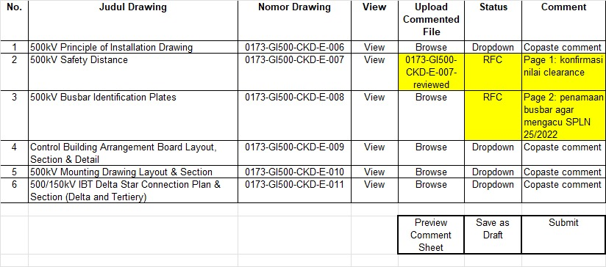
Interface Download Surat Sekretaris
Kontrak | : | Pembangungan GIS Cikande
No. Kontrak | : | 09.PJ/TRS.01.01/F000110000/2024
Kontraktor | : | Twink Consortium
Surat No | : | 99/rpl-016/2024 | Sekretaris akan download surat dari sini
Tanggal | : | 5 Desember 2024 | dan memasukkan ke AMS untuk disposisi
Perihal | : | Approval Drawing Submittal T.016
File Surat | : | Download

Halaman Check 1&2
Interface Check 1 & 2
 | Kontrak | : | Pembangungan GIS Cikande
 | No. Kontrak | : | 09.PJ/TRS.01.01/F000110000/2024
 | Kontraktor | : | Twink Consortium
 | Surat No | : | 99/rpl-016/2024
 | Tanggal | : | 5 Desember 2024
 | Perihal | : | Approval Drawing Submittal T.016
 | File Surat | : | Download

No. | Judul Drawing |  | Nomor Drawing | View | Upload Commented File | Status | Comment | Approve
1 | 500kV Principle of Installation Drawing |  | 0173-GI500-CKD-E-006 | View Submittal View Latest Commented | Browse | Dropdown | Copaste comment | □
2 | 500kV Safety Distance |  | 0173-GI500-CKD-E-007 | View Submittal View Latest Commented | 0173-GI500-CKD-E-007-reviewed | RFC | Page 1: konfirmasi nilai clearance | √
3 | 500kV Busbar Identification Plates |  | 0173-GI500-CKD-E-008 | View Submittal View Latest Commented | Browse | RFC | Page 2: penamaan busbar agar mengacu SPLN 25/2022 | □
4 | Control Building Arrangement Board Layout, Section & Detail |  | 0173-GI500-CKD-E-009 | View Submittal View Latest Commented | Browse | RFC | Bisa dilanjutkan dengan persetujuan OPKON | □
5 | 500kV Mounting Drawing Layout & Section |  | 0173-GI500-CKD-E-010 | View Submittal View Latest Commented | Browse | Dropdown | Copaste comment | □
6 | 500/150kV IBT Delta Star Connection Plan & Section (Delta and Tertiery) |  | 0173-GI500-CKD-E-011 | View Submittal View Latest Commented | Browse | Dropdown | Copaste comment | □

 |  |  |  | Preview Comment Sheet | Save as Draft | Return 1 Level | Return to Reviewer | Submit

Return
 | if return, muncul pop up seperti AMS dan kemudian klik lagi return. |  | dikoordinasikan dulu dengan tim sipil

Halaman Approval
Interface Approval (SRM)
 | Kontrak | : | Pembangungan GIS Cikande
 | No. Kontrak | : | 09.PJ/TRS.01.01/F000110000/2024
 | Kontraktor | : | Twink Consortium |  | DISABLE
 | Surat No | : | 99/rpl-016/2024
 | Tanggal | : | 5 Desember 2024
 | Perihal | : | Approval Drawing Submittal T.016
 | File Surat | : | Download

No. | Judul Drawing |  | Nomor Drawing | View | Upload Commented File | Status | Comment | Approve
1 | 500kV Principle of Installation Drawing |  | 0173-GI500-CKD-E-006 | View Submittal View Latest Commented | Browse | Dropdown | Copaste comment | □
2 | 500kV Safety Distance |  | 0173-GI500-CKD-E-007 | View Submittal View Latest Commented | 0173-GI500-CKD-E-007-reviewed | RFC | Page 1: konfirmasi nilai clearance | √
3 | 500kV Busbar Identification Plates |  | 0173-GI500-CKD-E-008 | View Submittal View Latest Commented | Browse | RFC | Page 2: penamaan busbar agar mengacu SPLN 25/2022 | □
4 | Control Building Arrangement Board Layout, Section & Detail |  | 0173-GI500-CKD-E-009 | View Submittal View Latest Commented | Browse | RFC | Bisa dilanjutkan dengan persetujuan OPKON | □
5 | 500kV Mounting Drawing Layout & Section |  | 0173-GI500-CKD-E-010 | View Submittal View Latest Commented | Browse | Dropdown | Copaste comment | □
6 | 500/150kV IBT Delta Star Connection Plan & Section (Delta and Tertiery) |  | 0173-GI500-CKD-E-011 | View Submittal View Latest Commented | Browse | Dropdown | Copaste comment | □

 |  |  |  | Preview Comment Sheet | Save as Draft | Return 1 Level | Return to Reviewer | Submit

Return
 | if return, muncul pop up seperti AMS dan kemudian klik lagi return. |  | dikoordinasikan dulu dengan tim sipil

